Map of Veterans
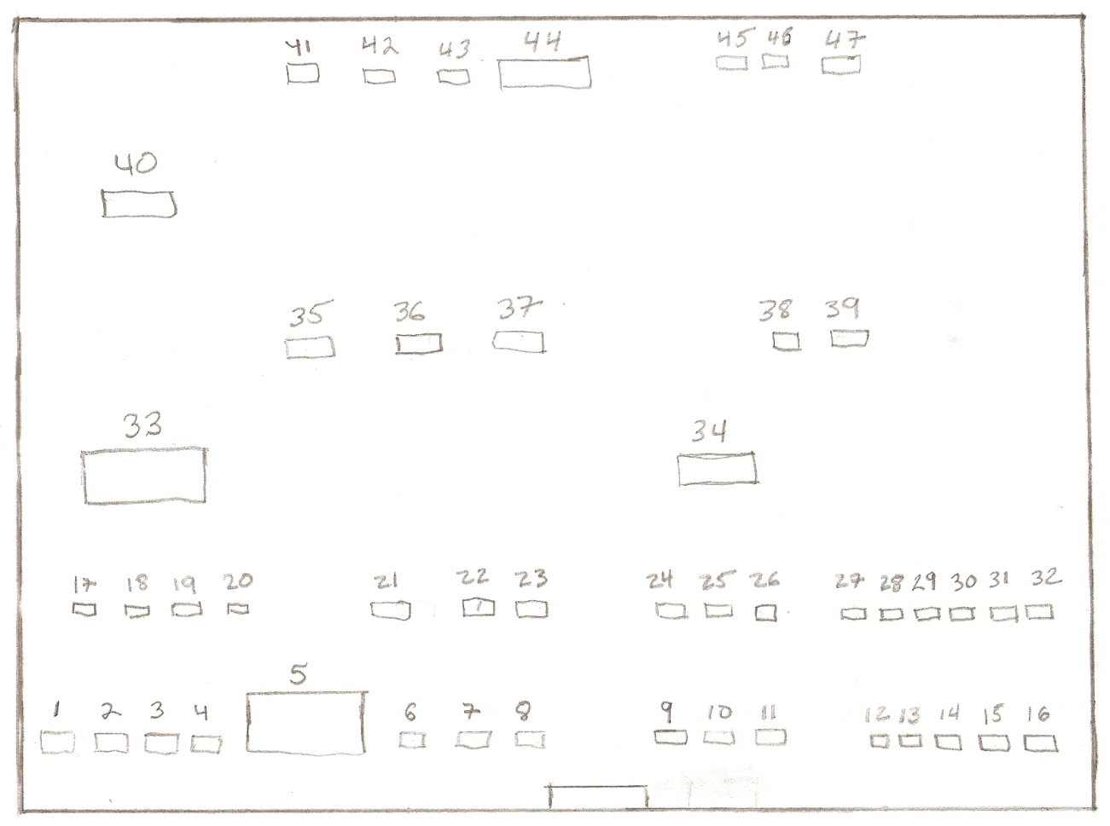

There are 4 Civil War Veterans buried here
Stone #31 | William Harlow MARSHALL (December 16, 1826 - October 17, 1867)
Stone #34 | Nelson THOMAS (September 18, 1826 - March 27, 1908)
Stone #21 | Ezra Stillman CHASE (1821 - October 10, 1897)
Stone #40 | Maltiah Rober CLARK (1840 - December 10, 1883)

